BugReport
Bug ID | Description/Summary | Steps to Reproduce | Expected Result | Actual Result | Severity | Priority | Screenshot
B-1 | users can see iphone in destop categories | 1. Click on the search icon beside the field while keeping the field empty on top 2. Type "iphone " on the keyword field 3. select Desktops on the right drop down | No results should appear because "iPhone" is not a desktop product. | iphone appears in the test result | Minor | 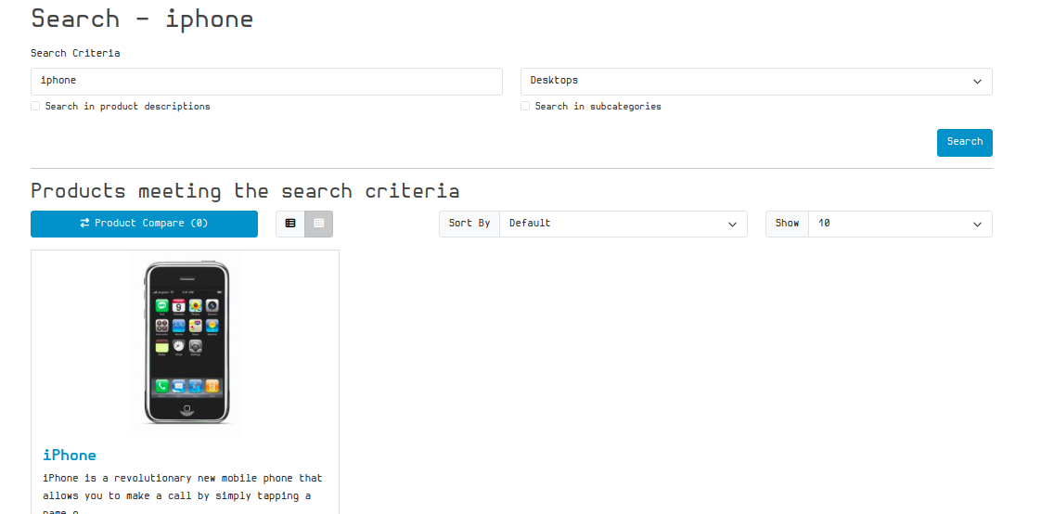 P2(Medium)
B-2
B-3
B-4
B-5
B-6
B-7

